Page 1
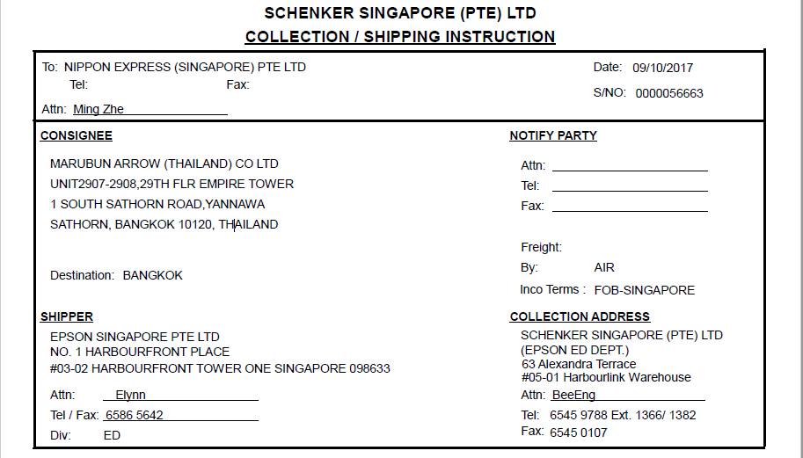
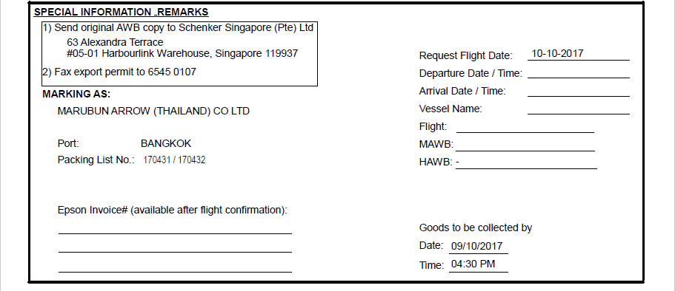

Pls update Tel no. to as follows:
Tel: 6275 0194 / 6377 5835
Pls remove fax no.

Increase row height for this table to accomodate all the Customer's P/O and DN

Pls remove this remark:
"Please see attached for packing detail"

1. Pls remove "Fax export permit to 6545 0107" in "Special Information Remarks"
2. Remove area boxed up in blue
3. Pls indicate in bigger font / bold the following remarks: "Pls indicate markings in the AWB. Refer to Appendix A for the details"

Row height for this table can be reduced to accomodate for the increase for the above table

Page 2
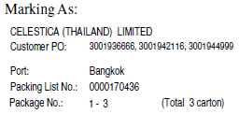
PLS INDICATE THE FOLLOWING MARKINGS IN THE AWB

